Instructions
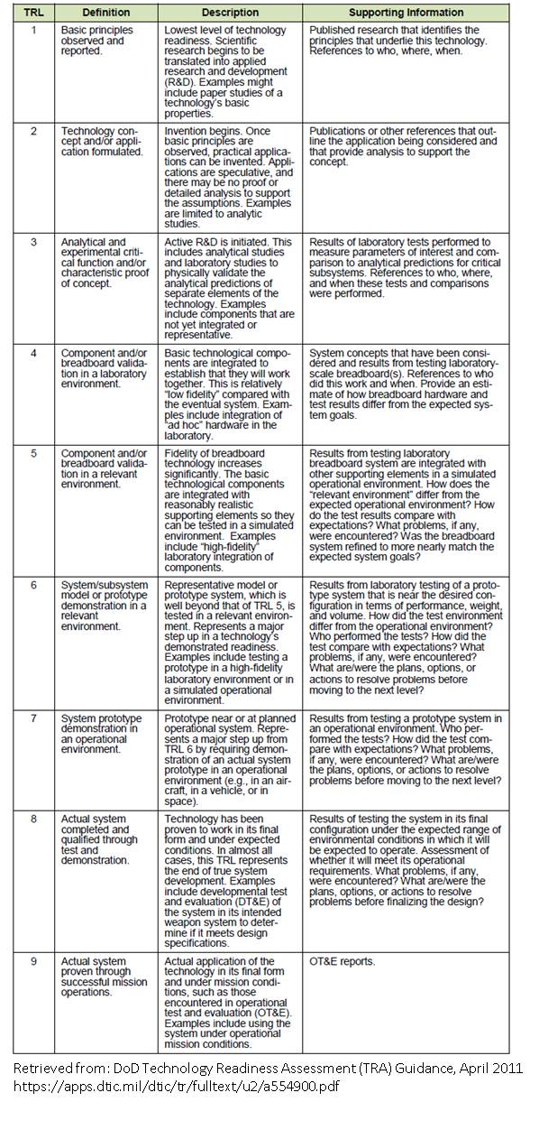
 | Sensors and Measurement System TRL Matrix Instructions | Updated 15 April 2021
 | You are being asked to define your sensor and measurement system TRL maturity and provide supporting information.
 | This information will be made publicly available for prospective end users, and for use in identifying technology needs.
 | Flowpath sensors systems are being tracked separately from structural sensor systems.
1 | Your sensor and measurement system may have multiple applications in the engine (or rig) modules, list these separately
2 | The test platform can be: an aero engine, aero rig, power gen, or a power gen rig - do not associate with a specific platform
3 | Please provide total test duration (Hours )in the specific test
4 | Please specify test time (Hours) @ >= 90% of maximium operating conditions (based on your sensor measurand)
5 | Please provide the Mach number (MN) that your flowpath sensor experienced
6 | Provide the maximum temperature (oF) that the sensor experienced in each engine/rig application
7 | Please provide a vibration "operating" spec (for example; 0-8kHZ @ 50G P-P or 30 Grms)
8 | Provide the maximum flowpath pressure (PSIA) that the sensor experienced in each application
9 | Please provide any additional commentary if needed for clarification
10 | Provide an uncertainty statement for the sensor and measurement system eg. RSS analysis - (% of measurement)
11 | Responses are to be provided to Carol Cash (CarolCash@oai.org) by email. Files should be renamed with the following convention prior to sending: replace “TEMPLATE” with your company name and revise the “Updated” date.
12 | Please populate your input into the Structural TRL List and the Flowpath TRL List for review by PIWG OEM leadership.
 | NOTE: Do not provide Proprietary Information or ITAR restricted information within this document.

 | Assess and assign your sensor and measurement system a TRL using the following chart

